Compliance_Overview_Public
 |  | Free allocations 2013 | Verified emissions 2013 | Surrendered allowances 2013 | Free allocations 2014 | Verified emissions 2014 | Surrendered allowances 2014 | Free allocations 2015 | Verified emissions 2015 | Surrendered allowances 2015 | Free allocations 2016 | Verified emissions 2016 | Surrendered allowances 2016 | Free allocations 2017 | Verified emissions 2017 | Surrendered allowances 2017 | Free allocations 2018 | Verified emissions 2018 | Surrendered allowances 2018 | Free allocations 2019 | Verified emissions 2019 | Surrendered allowances 2019 | Free allocations 2020 | Verified emissions 2020 | Surrendered allowances 2020
 | Fixed Installations
BR | Brussels Capital Region | 21,596 | 25,459 | 25,459 | 19,327 | 21,376 | 21,376 | 26,053 | 24,651 | 24,651 | 25,573 | 22,313 | 22,313 | 25,089 | 23,497 | 23,497 | 24,599 | 20,785 | 20,785 | 24,104 | 18,585 | 18,585 | 23,607 | 15,842 | 15,842
VL | Flemish Region | 25,674,911 | 32,664,145 | 32,667,658 | 25,361,414 | 31,556,233 | 31,590,010 | 24,294,577 | 32,605,220 | 32,590,753 | 24,318,445 | 31,657,143 | 31,364,311 | 23,799,993 | 31,968,145 | 31,957,286 | 23,346,002 | 31,916,492 | 31,909,647 | 22,883,837 | 31,866,765 | 31,866,765 | 22,321,892 | 29,169,201 | 29,170,158
WA | Walloon Region | 11,391,982 | 12,541,571 | 12,542,071 | 10,731,357 | 12,275,535 | 12,275,036 | 10,033,627 | 12,084,044 | 12,084,044 | 9,803,044 | 11,976,272 | 11,976,275 | 9,550,156 | 11,781,334 | 11,781,347 | 8,873,222 | 12,245,471 | 12,245,623 | 9,149,055 | 12,741,836 | 12,741,837 | 8,853,565 | 12,326,534 | 12,326,534
 | Installations (industry) | 36,907,194 | 32,035,370 | 32,039,383 | 35,964,707 | 32,036,536 | 32,069,814 | 34,274,682 | 32,094,983 | 32,080,516 | 34,037,787 | 32,080,186 | 32,078,367 | 33,306,861 | 32,123,089 | 32,112,243 | 32,185,563 | 32,425,879 | 32,419,186 | 31,998,374 | 32,135,489 | 32,135,490 | 31,130,625 | 29,977,279 | 29,977,279
 | Installations (Energy) | 181,295 | 13,195,805 | 13,195,805 | 147,391 | 11,816,608 | 11,816,608 | 79,575 | 12,618,932 | 12,618,932 | 109,275 | 11,575,542 | 11,284,532 | 68,377 | 11,649,887 | 11,649,887 | 58,260 | 11,756,869 | 11,756,869 | 58,622 | 12,491,697 | 12,491,697 | 68,439 | 11,534,298 | 11,535,255
 | Aircraft operators
BR | Brussels Capital Region | 0 | 0 | 0 | 0 | 0 | 0 | 0 | 0 | 0 | 0 | 0 | 0 | 0 | 0 | 0 | 0 | 0 | 0 | 0 | 0 | 0 | 0 | 0 | 0
VL | Flemish Region | 455,551 | 862,432 | 0 | 452,201 | 923,533 | 1,771,903 | 452,046 | 972,383 | 1,004,753 | 452,046 | 1,046,354 | 1,040,230 | 441,878 | 1,091,638 | 1,091,638 | 441,878 | 1,096,036 | 1,096,036 | 381,594 | 1,089,825 | 1,089,825 | 387,341 | 296,723 | 296,723
WA | Walloon Region | 113,796 | 285,340 | 0 | 113,796 | 284,574 | 570,719 | 113,796 | 299,686 | 299,686 | 113,796 | 329,917 | 329,917 | 113,796 | 338,062 | 338,062 | 113,796 | 327,854 | 327,854 | 113,796 | 280,420 | 280,420 | 113,805 | 268,760 | 268,760
 | BE TOTAL | 37,657,836 | 46,378,947 | 45,235,188 | 36,678,095 | 45,061,251 | 46,229,044 | 34,920,099 | 45,985,984 | 46,003,887 | 34,712,904 | 45,031,999 | 44,733,046 | 33,930,912 | 45,202,676 | 45,191,830 | 32,799,497 | 45,606,638 | 45,599,945 | 32,552,386 | 45,997,431 | 45,997,432 | 31,700,210 | 42,077,060 | 42,078,017

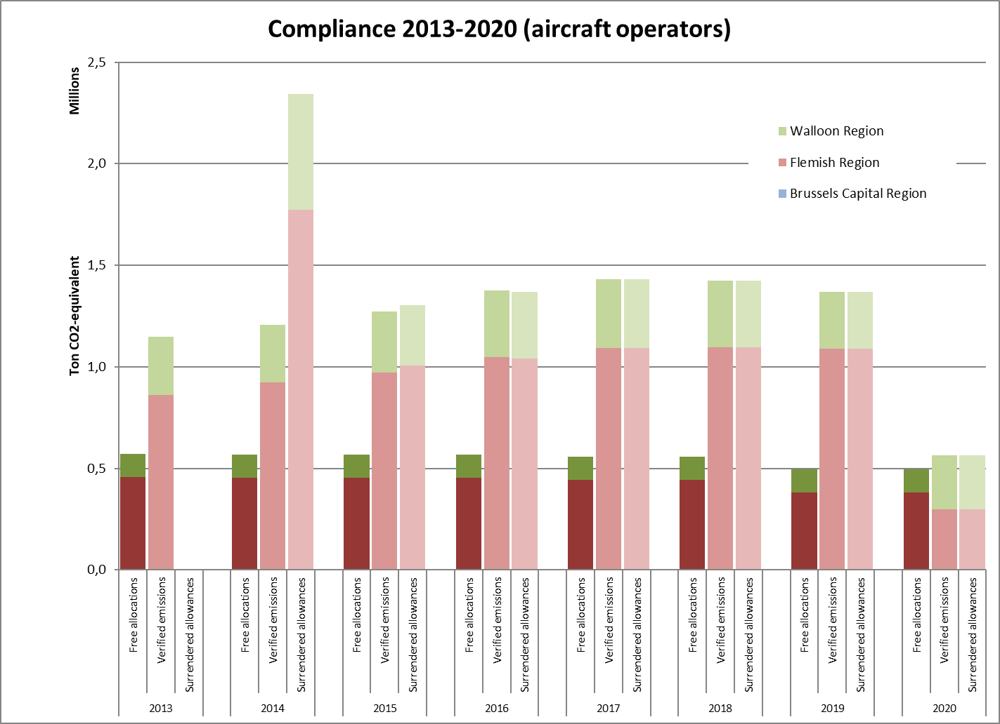
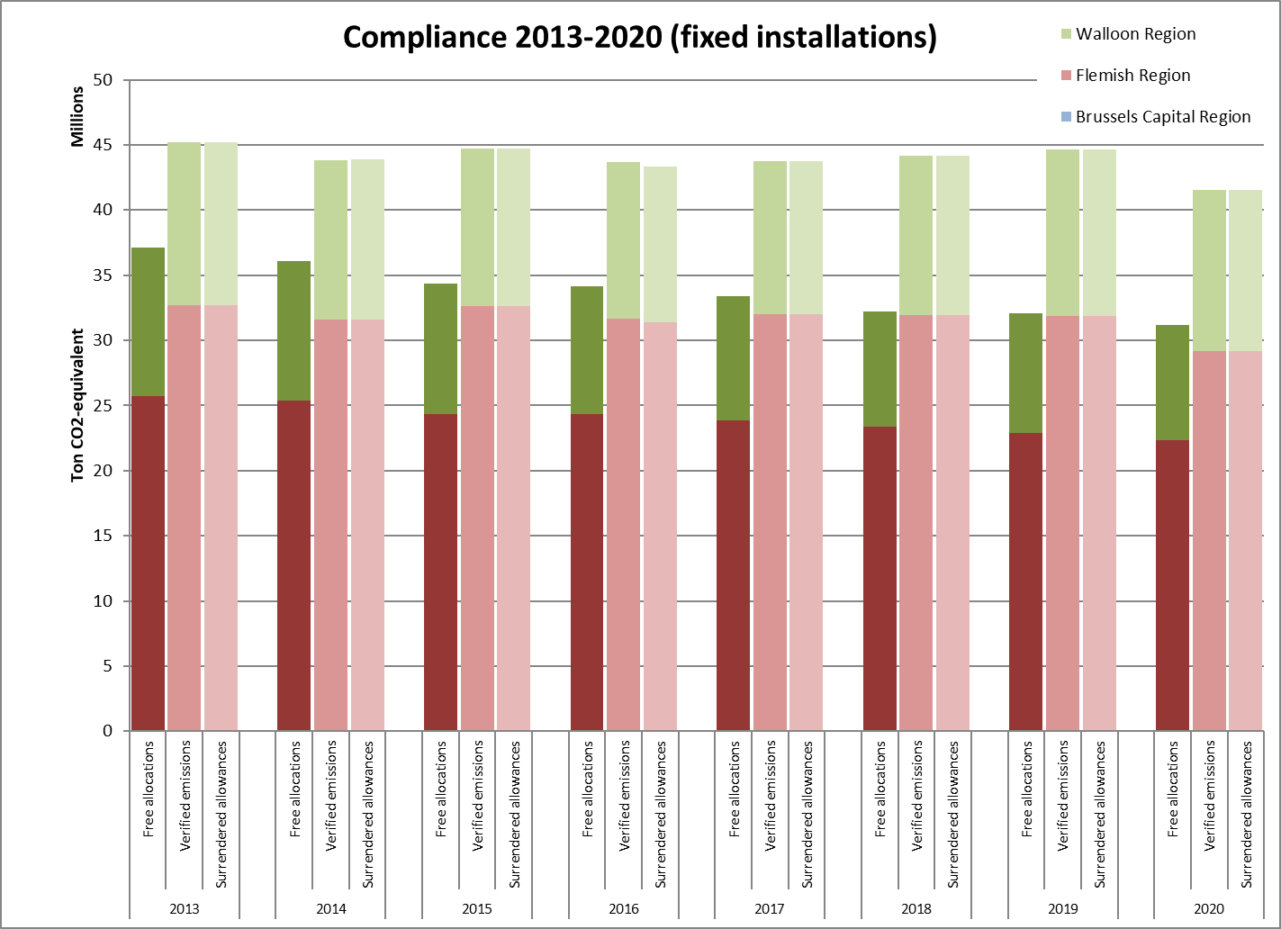

 |  |  |  |  |  |  |  |  | * Aircraft operators surrendered their emissions 2013 & 2014 once during the 2014 compliance cycle
 |  |  |  |  |  |  |  |  | ** As from 2020 the scope has been slightly increased due to the linking of the EU-ETS to the Swiss ETS

